Overview
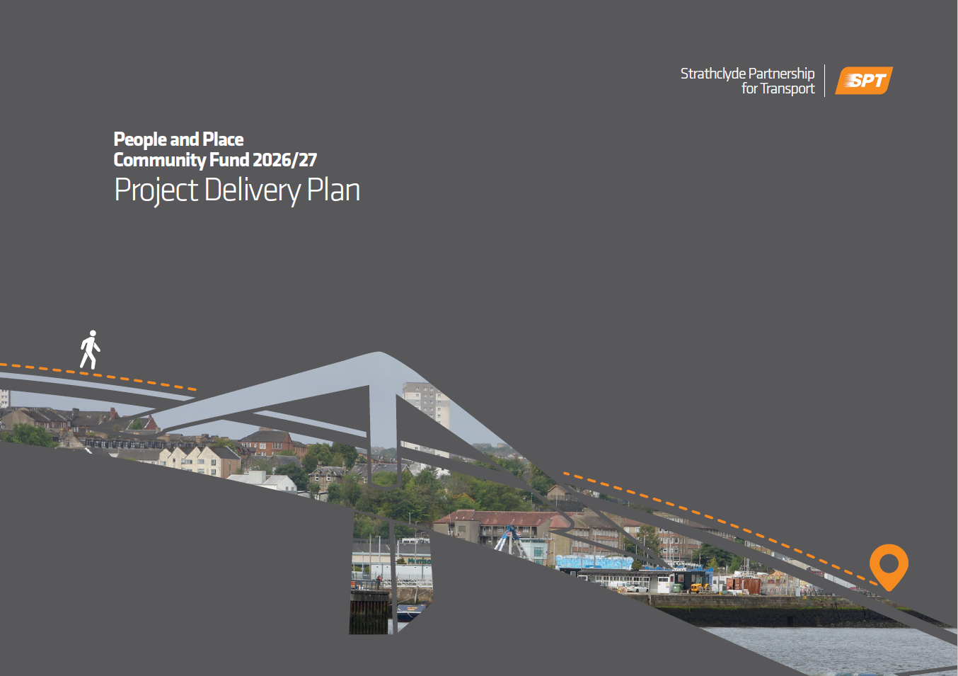
Please fill out this Project Delivery Plan to support your People and Place Programme Community Grant Fund application. This should be submitted to SPT along with your completed application form to peopleandplaceprogramme@spt.co.uk.
You are welcome to use your own template instead of this version, however if doing this, please ensure it has all the information that we require as detailed on this form.
Please refer to the grant fund guidance for further information ahed of completing this template, and if you have any queries on how to fill out this template, please get in touch at peopleandplaceprogramme@spt.co.uk.

Budget & Resourcing
Activity / Item | No of units | Unit Price |  | Total Cost |  | Funding Request |  | Inc. VAT? | Further information
 |  | Revenue | Capital | Revenue | Capital | Revenue | Capital
Cycle purchase | 5 |  | £400.00 |  | £2,000.00 |  | £1,500.00 | n/a

Total: |  |  |  | £0.00 | £0.00 | £0.00 | £0.00

Please detail the source of any match funding for your project

Please breakdown any staff cost by:
- Role
- Hourly rate
- Expected time on project
Please breakdown any overhead costs by:
- Costs per month

If staff costs have been included within your budget request, please provide further details below on If these are new or existing roles, and if any jobs will be at risk as a result of funding for this project not being secured

Please fill in this budget based on cost estimates for your project. Please note we may request further information on these costings prior to awarding the grant offer.
This is a project-based grant fund that will operate on the basis of full cost recovery, so all costs related to the delivery of the projects funded will be eligible to be claimed. This will include relevant staff costs as well as proportional overheads, premise costs etc. Costs that do not relate to the specific project being funded (for example, whole organisation overheads or entire premise costs) cannot be funded.
Applications can be made for both capital and revenue funding. It is essential that the definitions and eligible expenditure of these are considered ahead of the application being submitted, as only eligible expenditure can be claimed. Futher details on eligible expenditure under capital and revenue can be found within the application guidance document.

Delivery Programme
 | 2025/26 Delivery Programme
 | Apr-25 | May-25 | Jun-25 | Jul-25 | Aug-25 | Sep-25 | Oct-25 | Nov-25 | Dec-25 | Jan-26 | Feb-26 | Mar-26
Planned Activities
Monitoring & Evaluation
This should detail the main project activities being carried out each month as part of project delivery, taking into consideration that grant offer letters will likely not be received until May 2026 due to the funding situation.
Any key milestones of the project can be documented in this table.
For the Monitoring and Evaluation row, please add in any planned:
- Surveys
- Stakeholder engagement
- Data gathering
- Any other relevant monitoring & evaluation activities for the project.

Risk Register
Please fill out this risk register with any risks relating to your proejct. This could include:
- Staffing risks
- Communication risks
- Financial risks
- Timeline risks
If you have carried out a risk register for the project in a differnt format, please submit this alongside your application.
Responses should address the risks as much as possible. Please note these risks should be potential barriers to delivering the project rather than existing issues.
Number | Detail of risk | Scale of risk | Planned response
1 | Risk of low attendance due to staff schedules | Medium | Detail of staff working hours understood prior to timetabling Engagement with staff prior to sessions starting to understand expected attendance levels

Low
Medium
High

